Location Plan & Summary
Intelligent Data Collection Limited

Client: | Norman Rourke Pryme Limited |  | Date of Survey: |  |  | 16.05.2019
Project Number: | ID04572 |  | Junction Name: |  |  | A5 Edgware Road / A4205 Praed Street / A501 Chapel Street
Junction Number: | Site 1 |  | Junction Type: |  |  | Crossroads

X Coordinate |  | Y Coordinate |  |  | Google Maps Link
51.519251 |  | -0.169023 |  |  | Click Here
AM Peak Conditions |  | Inter-Peak Conditions |  |  | PM Peak Conditions
Dry |  | Dry |  |  | Dry
Junction Layout

N
 |  |  |  | Arm A - A5 Edgware Road (NW)

 |  | Arm D - A4205 Praed Street (SW)

 |  |  |  |  |  |  | Arm B - A501 Chapel Street (NE)

 |  |  |  | Arm C - A5 Edgware Road (SE)

Aerial Mapping and On-site Camera View
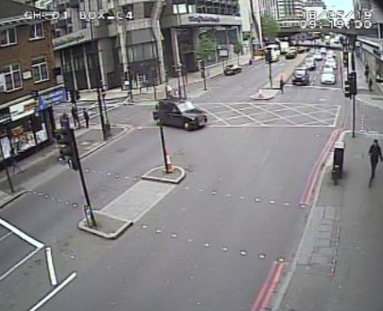

Junction Flow Profile
Arm Approach Flows (All Vehicles)
 | Arm A Approach | Arm B Approach | Arm C Approach | Arm D Approach | Total
7:00:00 | 276 | 0 | 209 | 110 | 595
7:15:00 | 302 | 0 | 225 | 83 | 610
7:30:00 | 352 | 0 | 238 | 84 | 674
7:45:00 | 326 | 0 | 230 | 103 | 659
8:00:00 | 294 | 0 | 234 | 124 | 652
8:15:00 | 309 | 0 | 206 | 124 | 639
8:30:00 | 318 | 0 | 244 | 161 | 723
8:45:00 | 314 | 0 | 226 | 110 | 650
9:00:00 | 307 | 0 | 194 | 123 | 624
9:15:00 | 308 | 0 | 201 | 125 | 634
9:30:00 | 277 | 0 | 220 | 106 | 603
9:45:00 | 285 | 0 | 216 | 118 | 619
10:00:00 | 232 | 0 | 236 | 148 | 616
10:15:00 | 228 | 0 | 212 | 120 | 560
10:30:00 | 216 | 0 | 225 | 120 | 561
10:45:00 | 227 | 0 | 212 | 138 | 577
11:00:00 | 229 | 0 | 208 | 122 | 559
11:15:00 | 222 | 0 | 236 | 114 | 572
11:30:00 | 185 | 0 | 217 | 139 | 541
11:45:00 | 235 | 0 | 211 | 144 | 590
12:00:00 | 208 | 0 | 231 | 140 | 579
12:15:00 | 240 | 0 | 228 | 146 | 614
12:30:00 | 256 | 0 | 204 | 110 | 570
12:45:00 | 253 | 0 | 248 | 113 | 614
13:00:00 | 235 | 0 | 260 | 127 | 622
13:15:00 | 210 | 0 | 269 | 133 | 612
13:30:00 | 225 | 0 | 236 | 133 | 594
13:45:00 | 243 | 0 | 253 | 146 | 642
14:00:00 | 207 | 0 | 200 | 139 | 546
14:15:00 | 225 | 0 | 206 | 175 | 606
14:30:00 | 203 | 0 | 224 | 156 | 583
14:45:00 | 224 | 0 | 251 | 139 | 614
15:00:00 | 240 | 0 | 246 | 165 | 651
15:15:00 | 233 | 0 | 227 | 156 | 616
15:30:00 | 267 | 0 | 283 | 170 | 720
15:45:00 | 265 | 0 | 232 | 146 | 643
16:00:00 | 268 | 0 | 269 | 144 | 681
16:15:00 | 259 | 0 | 279 | 137 | 675
16:30:00 | 261 | 0 | 291 | 165 | 717
16:45:00 | 264 | 0 | 271 | 164 | 699
17:00:00 | 276 | 0 | 324 | 174 | 774
17:15:00 | 281 | 0 | 287 | 172 | 740
17:30:00 | 233 | 0 | 319 | 154 | 706
17:45:00 | 273 | 0 | 292 | 154 | 719
18:00:00 | 299 | 0 | 324 | 161 | 784
18:15:00 | 281 | 0 | 341 | 157 | 779
18:30:00 | 283 | 0 | 260 | 173 | 716
18:45:00 | 297 | 0 | 301 | 169 | 767
19:00:00 | 267 | 0 | 247 | 120 | 634
19:15:00 | 282 | 0 | 251 | 120 | 653
...

Additional Notes (Factors which may impact on survey results such as accidents, roadworks, special events):

